Assumption
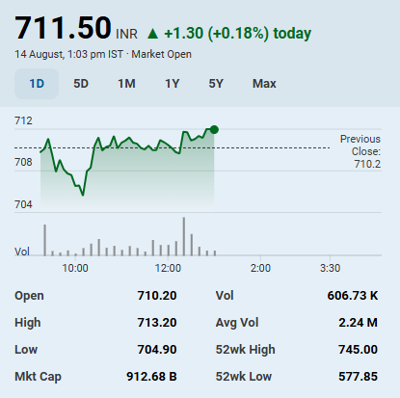
Scenario
Base | 2

Assumptions
Transaction Date | 2025-08-14
Fiscal Year End | 2026-03-31
Risk Free Rate | 6.46%
Tax Rate | 22%
EV/EBITDA Multiple | 37.42x
Perpetual Growth Rate | 5%
Discount Rate | 8.06%
Shares Outstanding(Cr.) | 129.78
Current market price | ₹ 711.00
Market Cap (Cr.) | ₹ 92,273.58

Color Code
Blue color | Hardcoded Figures
Black color | Calculated/Formula Figures
Green color | Linked sheet

Foot Field Analysis
Football Field Analysis

Football Field Data
 | Comps Median | Comps Average | DCF | 52-Week Hi/LO | Market Consenses
High | ₹ 730 | ₹ 738 | ₹ 1,438 | ₹ 745 | ₹ 768
High | ₹ 730 | ₹ 738 | ₹ 1,438 | ₹ 745 | ₹ 768
Low | ₹ 589 | ₹ 542 | ₹ 513 | ₹ 578 | ₹ 593
Low | ₹ 589 | ₹ 542 | ₹ 513 | ₹ 578 | ₹ 593

